sriovOverhead
See page 11 of:
https://community.ibm.com/HigherLogic/System/DownloadDocumentFile.ashx?DocumentFileKey=d6502c37-56ce-6d5b-5e6e-d40b6a706161&forceDialog=1

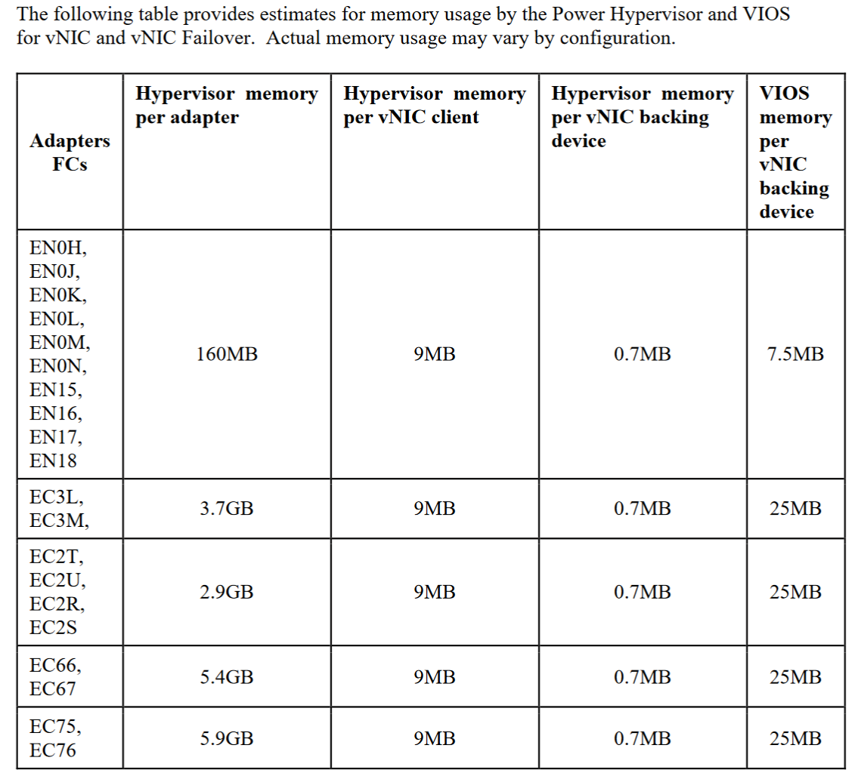

CPU FOR VNIC AND VNIC FAILOVER

In general CPU utilization for vNIC traffic flowing through the VIOS is workload dependent and
will vary based on type of network traffic. As a rough guideline for peak bandwidth (large
packets) workloads a value of 0.7 additional VIOS cores per 10Gb/s of bandwidth can be
used. Workloads with high message rates and small packets may require additional VIOS CPU
utilization.

